Sheet1
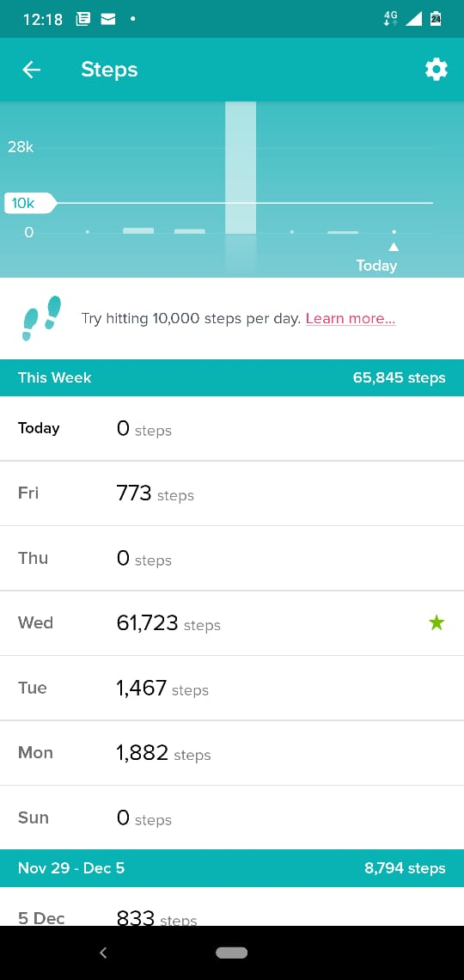
#LetsGetHealthy - WALKATHON CHALLENGE
Team Name | WeWalk |  |  | Comment : The Challenge leaderboard is not getting updated for most of team members. So, sharing individual's screenshots for the weekly scores!
Team Captain | Anmol Kaur |  |  | Dinesh's steps were getting accumulated in daily step count cumulatively. He wasn't getting weekly summary. May be some problem with the app.
Uploaded by | Anmol Kaur |  |  | For Vinay, please ignore Wednesday count as he left it on tracking while driving a car and cannot remember exactly how many steps he covered while walking.
Date | 2020-12-12
Team Details
Sl. No. | Team Member Name | Total Steps
1 | Anav | 59415
2 | Anmol Kaur | 3587
3 | Madalsa Gupta | 18151
4 | Saurav Saxena | 35154
5 | Himanshu Mehta | 0
6 | Deepak Mishra | 45467
7 | Dinesh Sharma | 17707
8 | Vinay Kumar | 4122
9 | Yogesh Goyal | 24383
10 | N/A
Team - Total Steps |  | 207986

Madalsa Gupta |  |  | Deepak Mishra |  |  | Yogesh Goyal |  | Himanshu Mehta
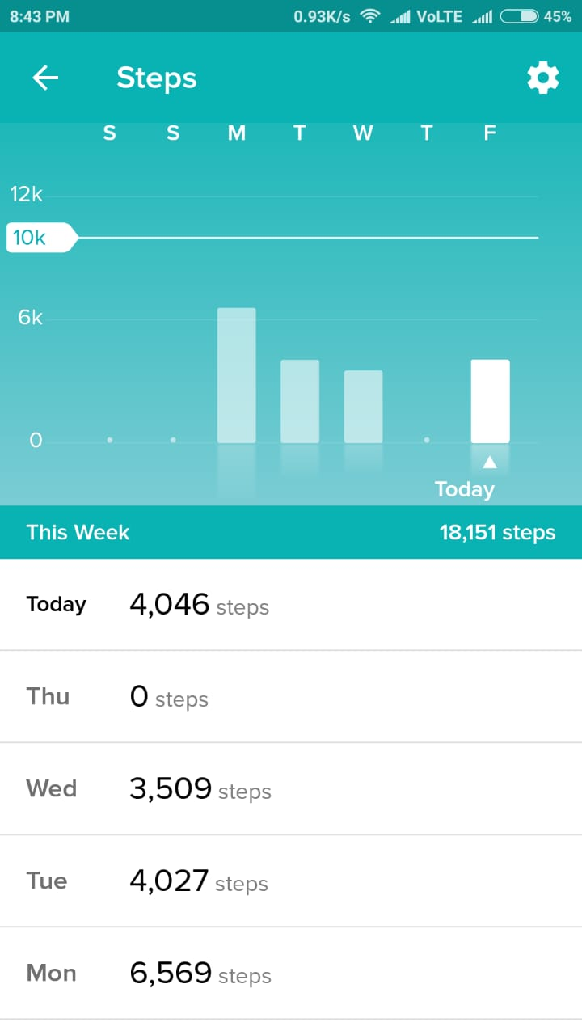
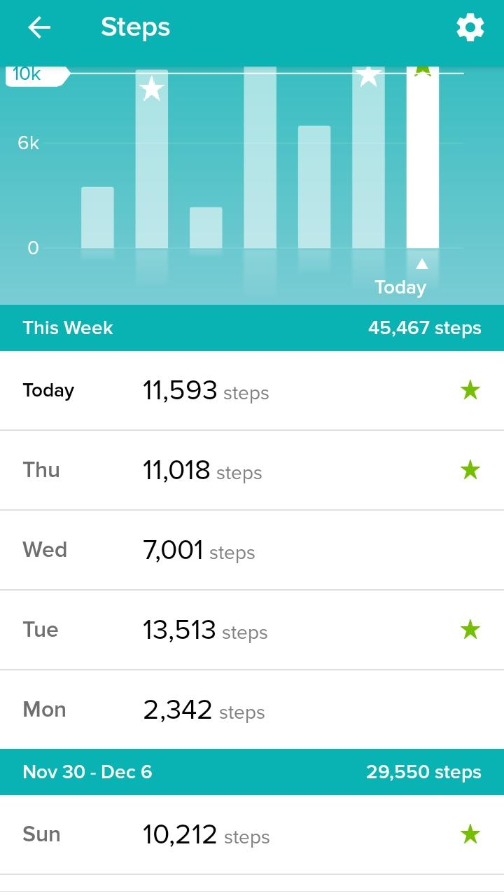
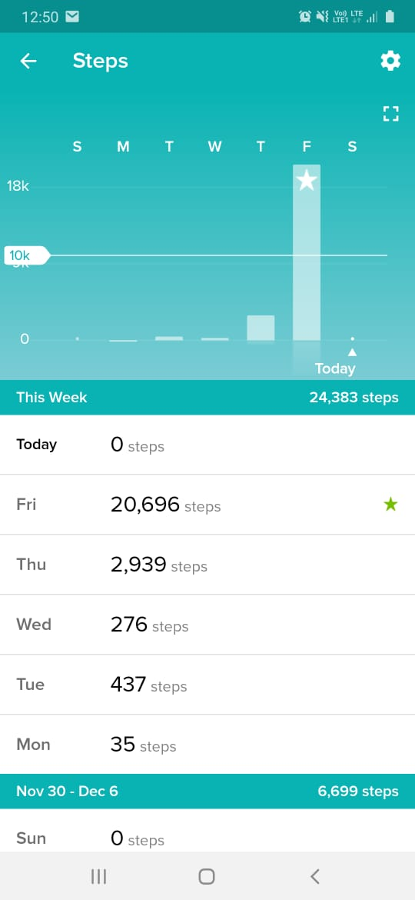
 |  |  |  |  |  |  |  | 0 steps

Saurav Saxena |  | Anmol Kaur |  |  | Dinesh Sharma |  | Anav
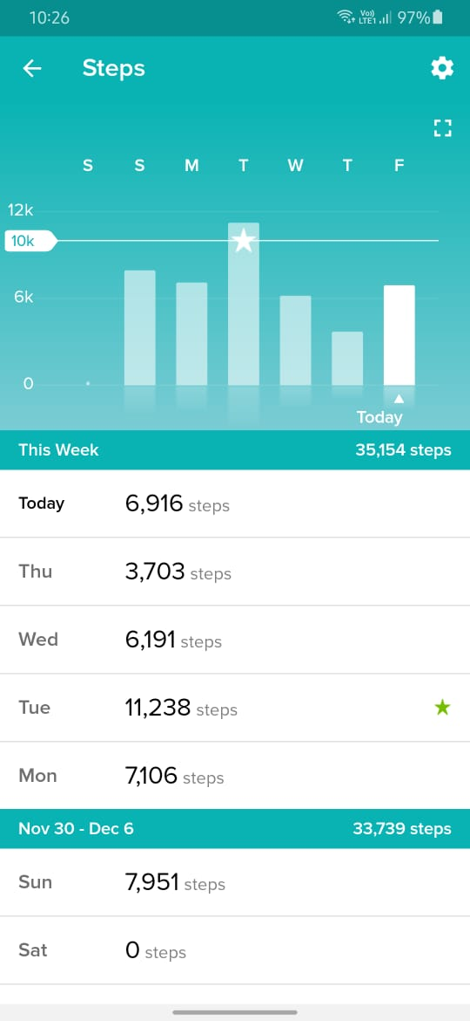
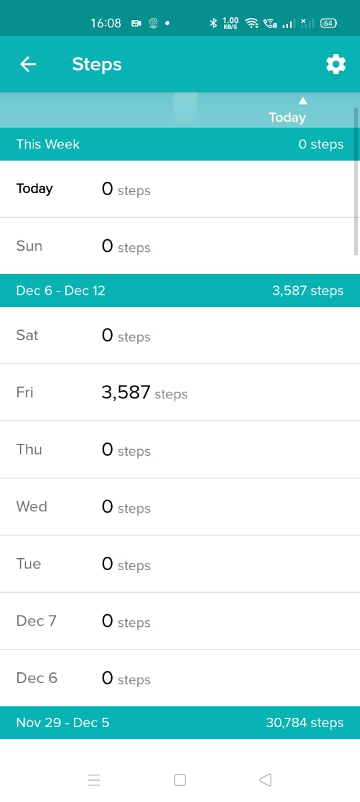
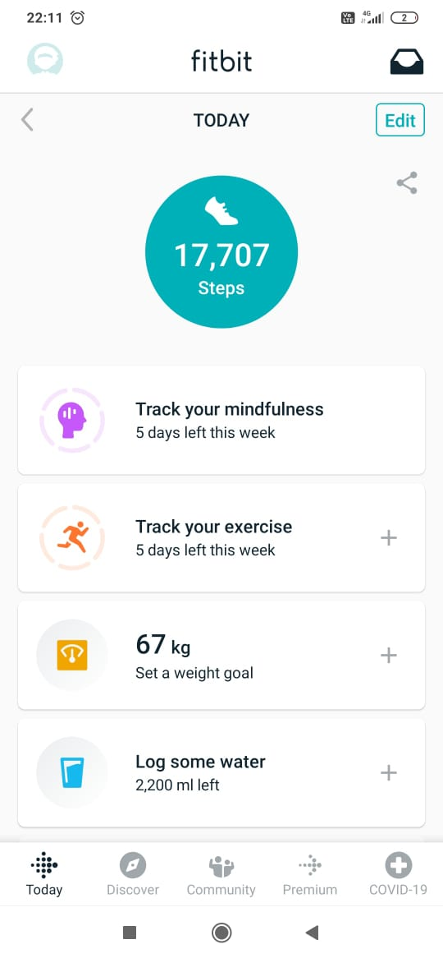
 |  |  |  |  |  |  | For Anav, please see next tab as his weekwise summary wasn’t available in app due to some issue .

Vinay Kumar

Anav
